Instructions
Time spent on Excel this week

Day | Hours

Week 1: Practice Challenge - Taking Charge of Excel
This challenge will help you revise and consolidate skills you have learned in Week1, but don’t feel limited to these activities, be brave, click things, see what happens!
You are going to create a little timetable in Excel that looks something like this:

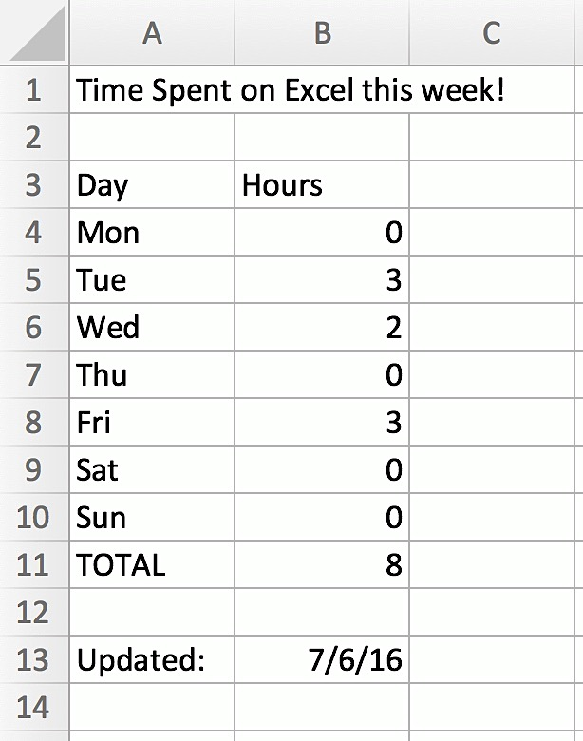
 |  | 1 | Create a new workbook or add another sheet to this workbook.
 |  | 2 | Click (left single click) cell A1 and type in the heading “Time Spent on Excel this week”
 |  | 3 | Click on A3 and type “Day” then press Tab
 |  | 4 | Type “Hours” and press Enter
 |  | 5 | A4 should be the active cell, but if not click on A4 and then type “Mon”
 |  | 6 | Use your fill handle to drag down to A10 – this should give you all the days of the week.
 |  | 7 | Click on A11 and Type “TOTAL”
 |  | 8 | Press Enter twice to get to A13 and type “Updated:”, then press Tab
 |  | 9 | Type today’s date as shown above
 |  | 10 | Fill in the actual numbers of hours you have spent working on Excel this week (no cheating). On days where you haven’t been able to do anything just put 0.
 |  | 11 | Now click on B11, look on the right-hand side of the Home Tab on the Ribbon to find the Autosum tool and click it, take a moment to see what it has done and then press enter.
 |  | 12 | Click on the Save icon on your Quick Access Toolbar and save your Excel Workbook with the name Practice Exercise 1.

 |  |  | Well done.

